Picture
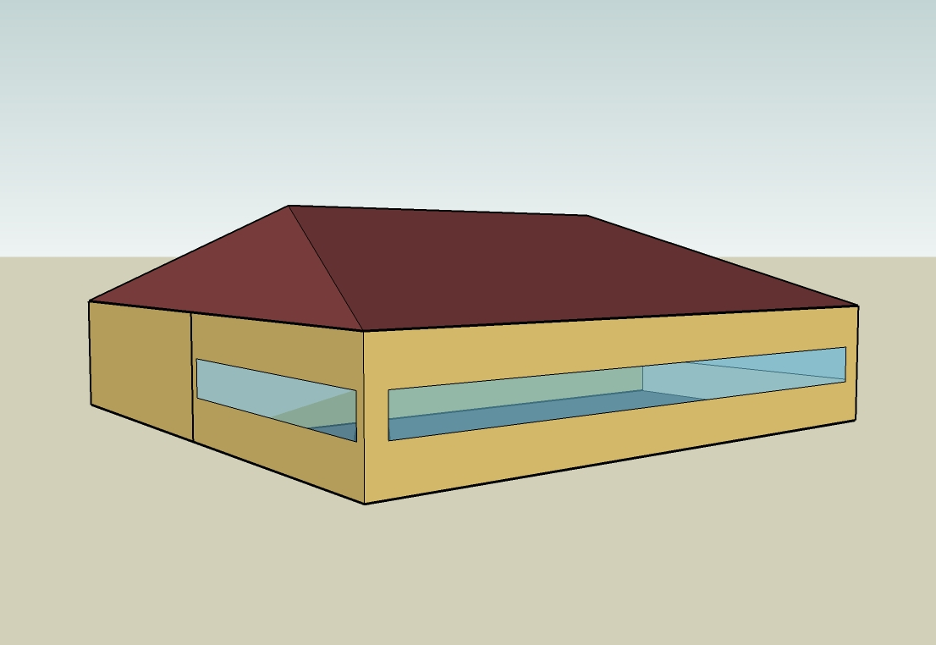
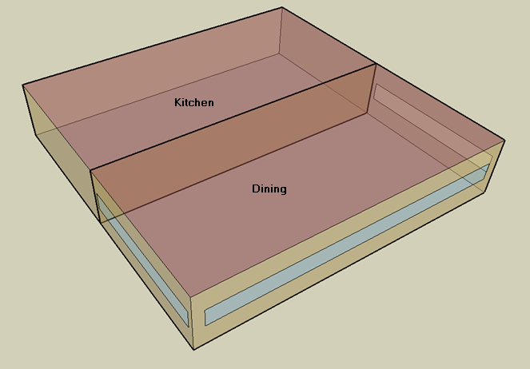
DOE Commercial Building Benchmark - Quick Service Restaurant

Electricity
 | Heating | Cooling | Interior Lighting | Exterior Lighting | Interior Equipment | Exterior Equipment | Fans | Refrigeration
Miami | 0.00 | 56,680.56 | 24,083.33 | 4,983.33 | 113,711.11 | 0.00 | 19,566.67 | 19,094.44
Houston | 0.00 | 36,691.67 | 24,083.33 | 4,975.00 | 113,711.11 | 0.00 | 17,505.56 | 18,213.89
Phoenix | 0.00 | 40,402.78 | 24,083.33 | 4,975.00 | 113,711.11 | 0.00 | 18,180.56 | 18,108.33
Atlanta | 0.00 | 19,561.11 | 24,083.33 | 4,983.33 | 113,711.11 | 0.00 | 17,583.33 | 17,333.33
Los Angeles | 0.00 | 5,600.00 | 24,083.33 | 4,980.56 | 113,711.11 | 0.00 | 17,594.44 | 17,352.78
Las Vegas | 0.00 | 27,977.78 | 24,083.33 | 4,977.78 | 113,711.11 | 0.00 | 17,986.11 | 17,486.11
San Francisco | 0.00 | 1,216.67 | 24,083.33 | 4,972.22 | 113,711.11 | 0.00 | 16,102.78 | 16,547.22
Baltimore | 0.00 | 14,241.67 | 24,083.33 | 4,977.78 | 113,711.11 | 0.00 | 16,944.44 | 16,775.00
Albuquerque | 0.00 | 11,275.00 | 24,083.33 | 4,975.00 | 113,711.11 | 0.00 | 18,127.78 | 16,672.22
Seattle | 0.00 | 1,966.67 | 24,083.33 | 4,969.44 | 113,711.11 | 0.00 | 16,472.22 | 16,211.11
Chicago | 0.00 | 10,063.89 | 24,083.33 | 4,969.44 | 113,711.11 | 0.00 | 17,494.44 | 16,394.44
Boulder | 0.00 | 6,877.78 | 24,083.33 | 4,969.44 | 113,711.11 | 0.00 | 17,852.78 | 16,236.11
Minneapolis | 0.00 | 8,661.11 | 24,083.33 | 4,975.00 | 113,711.11 | 0.00 | 18,111.11 | 16,241.67
Helena | 0.00 | 3,791.67 | 24,083.33 | 4,966.67 | 113,711.11 | 0.00 | 18,697.22 | 15,872.22
Duluth | 0.00 | 2,841.67 | 24,083.33 | 4,966.67 | 113,711.11 | 0.00 | 18,116.67 | 15,644.44
Fairbanks | 0.00 | 1,019.44 | 24,083.33 | 4,936.11 | 113,711.11 | 0.00 | 23,944.44 | 15,305.56

Gas
 | Heating | Interior Equipment | Water Systems
Miami | 6,880.00 | 563,910.00 | 43,690.00
Houston | 111,820.00 | 563,910.00 | 53,280.00
Phoenix | 75,240.00 | 563,910.00 | 47,760.00
Atlanta | 221,470.00 | 563,910.00 | 62,510.00
Los Angeles | 53,820.00 | 563,910.00 | 60,720.00
Las Vegas | 135,580.00 | 563,910.00 | 54,400.00
San Francisco | 165,390.00 | 563,910.00 | 68,630.00
Baltimore | 399,460.00 | 563,910.00 | 69,770.00
Albuquerque | 268,950.00 | 563,910.00 | 68,400.00
Seattle | 327,950.00 | 563,910.00 | 73,550.00
Chicago | 570,520.00 | 563,910.00 | 76,150.00
Boulder | 403,830.00 | 563,910.00 | 75,810.00
Minneapolis | 753,390.00 | 563,910.00 | 81,650.00
Helena | 598,120.00 | 563,910.00 | 82,650.00
Duluth | 937,580.00 | 563,910.00 | 90,740.00
Fairbanks | 1,504,530.00 | 563,910.00 | 101,730.00

EUI
 | Cooling (elec) | Interior Lighting (elec) | Exterior Lighting (elec) | Interior Equipment (elec) | Fans (elec) | Refrigeration (elec) | Heating (gas) | Interior Equipment (gas) | Water Systems (gas)
Miami | 878.24 | 373.16 | 77.21 | 1761.90 | 303.18 | 295.86 | 29.61 | 2427.09 | 188.04
Houston | 568.52 | 373.16 | 77.09 | 1761.90 | 271.24 | 282.22 | 481.28 | 2427.09 | 229.32
Phoenix | 626.02 | 373.16 | 77.09 | 1761.90 | 281.70 | 280.58 | 323.84 | 2427.09 | 205.56
Atlanta | 303.09 | 373.16 | 77.21 | 1761.90 | 272.45 | 268.57 | 953.22 | 2427.09 | 269.05
Los Angeles | 86.77 | 373.16 | 77.17 | 1761.90 | 272.62 | 268.87 | 231.64 | 2427.09 | 261.34
Las Vegas | 433.50 | 373.16 | 77.13 | 1761.90 | 278.69 | 270.94 | 583.54 | 2427.09 | 234.14
San Francisco | 18.85 | 373.16 | 77.04 | 1761.90 | 249.51 | 256.39 | 711.84 | 2427.09 | 295.39
Baltimore | 220.67 | 373.16 | 77.13 | 1761.90 | 262.55 | 259.92 | 1719.29 | 2427.09 | 300.29
Albuquerque | 174.70 | 373.16 | 77.09 | 1761.90 | 280.88 | 258.33 | 1157.57 | 2427.09 | 294.40
Seattle | 30.47 | 373.16 | 77.00 | 1761.90 | 255.23 | 251.18 | 1411.51 | 2427.09 | 316.56
Chicago | 155.94 | 373.16 | 77.00 | 1761.90 | 271.07 | 254.02 | 2455.54 | 2427.09 | 327.75
Boulder | 106.57 | 373.16 | 77.00 | 1761.90 | 276.62 | 251.57 | 1738.10 | 2427.09 | 326.29
Minneapolis | 134.20 | 373.16 | 77.09 | 1761.90 | 280.62 | 251.66 | 3242.62 | 2427.09 | 351.42
Helena | 58.75 | 373.16 | 76.96 | 1761.90 | 289.70 | 245.93 | 2574.33 | 2427.09 | 355.73
Duluth | 44.03 | 373.16 | 76.96 | 1761.90 | 280.71 | 242.40 | 4035.38 | 2427.09 | 390.55
Fairbanks | 15.80 | 373.16 | 76.48 | 1761.90 | 371.01 | 237.15 | 6475.55 | 2427.09 | 437.85

Water
 | Total Building | Water for Electricity (m3)
Miami | 414.19 | 126.15
Houston | 414.19 | 350.13
Phoenix | 414.19 | 6,519.00
Atlanta | 414.19 | 1,231.59
Los Angeles | 414.19 | 3,218.78
Las Vegas | 414.19 | 5,657.51
San Francisco | 414.19 | 3,101.29
Baltimore | 414.19 | 43.30
Albuquerque | 414.19 | 857.51
Seattle | 414.19 | 1,812.61
Chicago | 414.19 | 289.68
Boulder | 414.19 | 834.30
Minneapolis | 414.19 | 288.23
Helena | 414.19 | 11,473.10
Duluth | 414.19 | 278.28
Fairbanks | 414.19 | 186.97

Carbon
 | Carbon Equivalent (kg)
Miami | 76,385.84
Houston | 84,923.52
Phoenix | 78,637.32
Atlanta | 76,051.92
Los Angeles | 33,658.71
Las Vegas | 83,148.54
San Francisco | 35,031.30
Baltimore | 70,101.05
Albuquerque | 93,395.65
Seattle | 30,330.89
Chicago | 121,378.31
Boulder | 93,873.23
Minneapolis | 88,819.81
Helena | 88,634.56
Duluth | 90,108.34
Fairbanks | 90,629.02

LghtSch
Lighting Schedules
 | Weekday | Saturday | Sunday
 | 0.45 | 0.45 | 0.45
 | 0.15 | 0.15 | 0.15
 | 0.15 | 0.15 | 0.15
 | 0.15 | 0.15 | 0.15
 | 0.15 | 0.15 | 0.15
 | 0.45 | 0.45 | 0.45
 | 0.9 | 0.9 | 0.9
 | 0.9 | 0.9 | 0.9
 | 0.9 | 0.9 | 0.9
 | 0.9 | 0.9 | 0.9
 | 0.9 | 0.9 | 0.9
 | 0.9 | 0.9 | 0.9
 | 0.9 | 0.9 | 0.9
 | 0.9 | 0.9 | 0.9
 | 0.9 | 0.9 | 0.9
 | 0.9 | 0.9 | 0.9
 | 0.9 | 0.9 | 0.9
 | 0.9 | 0.9 | 0.9
 | 0.9 | 0.9 | 0.9
 | 0.9 | 0.9 | 0.9
 | 0.9 | 0.9 | 0.9
 | 0.9 | 0.9 | 0.9
 | 0.9 | 0.9 | 0.9
 | 0.9 | 0.9 | 0.9

KitchElecSch
Kitchen Equipment Schedules
 | Weekday | Saturday | Sunday
 | 0.1 | 0.1 | 0.1
 | 0.1 | 0.1 | 0.1
 | 0.1 | 0.1 | 0.1
 | 0.1 | 0.1 | 0.1
 | 0.1 | 0.1 | 0.1
 | 0.1 | 0.1 | 0.1
 | 0.35 | 0.35 | 0.35
 | 0.35 | 0.35 | 0.35
 | 0.25 | 0.25 | 0.25
 | 0.25 | 0.25 | 0.25
 | 0.35 | 0.35 | 0.35
 | 0.35 | 0.35 | 0.35
 | 0.35 | 0.35 | 0.35
 | 0.35 | 0.35 | 0.35
 | 0.25 | 0.25 | 0.25
 | 0.25 | 0.25 | 0.25
 | 0.25 | 0.25 | 0.25
 | 0.35 | 0.35 | 0.35
 | 0.35 | 0.35 | 0.35
 | 0.35 | 0.35 | 0.35
 | 0.25 | 0.25 | 0.25
 | 0.25 | 0.25 | 0.25
 | 0.25 | 0.25 | 0.25
 | 0.25 | 0.25 | 0.25

KitchGasSch
Kitchen Gas Equipment Schedule
 | Other
 | 0.02
 | 0.02
 | 0.02
 | 0.02
 | 0.02
 | 0.03
 | 0.09
 | 0.14
 | 0.1
 | 0.1
 | 0.22
 | 0.27
 | 0.24
 | 0.21
 | 0.14
 | 0.13
 | 0.15
 | 0.17
 | 0.17
 | 0.17
 | 0.15
 | 0.14
 | 0.12
 | 0.02

DinHeatSch
Dining Heating Set Point Schedules
 | Weekday | Saturday | Sunday
 | 21 | 21 | 21
 | 15.6 | 15.6 | 15.6
 | 15.6 | 15.6 | 15.6
 | 15.6 | 15.6 | 15.6
 | 15.6 | 15.6 | 15.6
 | 21 | 21 | 21
 | 21 | 21 | 21
 | 21 | 21 | 21
 | 21 | 21 | 21
 | 21 | 21 | 21
 | 21 | 21 | 21
 | 21 | 21 | 21
 | 21 | 21 | 21
 | 21 | 21 | 21
 | 21 | 21 | 21
 | 21 | 21 | 21
 | 21 | 21 | 21
 | 21 | 21 | 21
 | 21 | 21 | 21
 | 21 | 21 | 21
 | 21 | 21 | 21
 | 21 | 21 | 21
 | 21 | 21 | 21
 | 21 | 21 | 21

DinCoolSch
Dining Cooling Set Point Schedules
 | Weekday | Saturday | Sunday
 | 24 | 24 | 24
 | 30 | 30 | 30
 | 30 | 30 | 30
 | 30 | 30 | 30
 | 30 | 30 | 30
 | 24 | 24 | 24
 | 24 | 24 | 24
 | 24 | 24 | 24
 | 24 | 24 | 24
 | 24 | 24 | 24
 | 24 | 24 | 24
 | 24 | 24 | 24
 | 24 | 24 | 24
 | 24 | 24 | 24
 | 24 | 24 | 24
 | 24 | 24 | 24
 | 24 | 24 | 24
 | 24 | 24 | 24
 | 24 | 24 | 24
 | 24 | 24 | 24
 | 24 | 24 | 24
 | 24 | 24 | 24
 | 24 | 24 | 24
 | 24 | 24 | 24

KitchHeatSch
Kitchen Heating Set Point Schedules
 | Weekday | Saturday | Sunday
 | 19 | 19 | 19
 | 15.6 | 15.6 | 15.6
 | 15.6 | 15.6 | 15.6
 | 15.6 | 15.6 | 15.6
 | 15.6 | 15.6 | 15.6
 | 19 | 19 | 19
 | 19 | 19 | 19
 | 19 | 19 | 19
 | 19 | 19 | 19
 | 19 | 19 | 19
 | 19 | 19 | 19
 | 19 | 19 | 19
 | 19 | 19 | 19
 | 19 | 19 | 19
 | 19 | 19 | 19
 | 19 | 19 | 19
 | 19 | 19 | 19
 | 19 | 19 | 19
 | 19 | 19 | 19
 | 19 | 19 | 19
 | 19 | 19 | 19
 | 19 | 19 | 19
 | 19 | 19 | 19
 | 19 | 19 | 19

KitchCoolSch
Kitchen Cooling Set Point Schedules
 | Weekday | Saturday | Sunday
 | 26 | 26 | 26
 | 30 | 30 | 30
 | 30 | 30 | 30
 | 30 | 30 | 30
 | 30 | 30 | 30
 | 26 | 26 | 26
 | 26 | 26 | 26
 | 26 | 26 | 26
 | 26 | 26 | 26
 | 26 | 26 | 26
 | 26 | 26 | 26
 | 26 | 26 | 26
 | 26 | 26 | 26
 | 26 | 26 | 26
 | 26 | 26 | 26
 | 26 | 26 | 26
 | 26 | 26 | 26
 | 26 | 26 | 26
 | 26 | 26 | 26
 | 26 | 26 | 26
 | 26 | 26 | 26
 | 26 | 26 | 26
 | 26 | 26 | 26
 | 26 | 26 | 26

